Sheet1
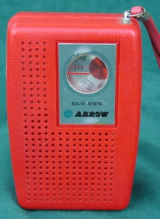
 |  |  |  |  | 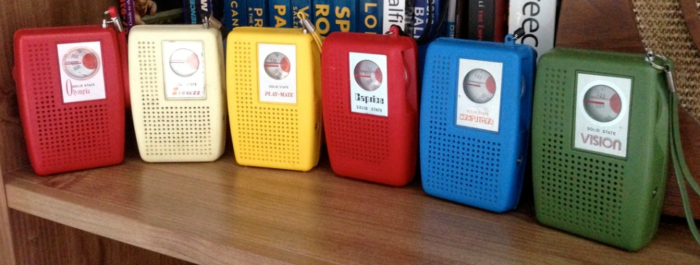
Aciko |  |  | ACIKO On Ebay
Advance |  |  | Advance On Ebay
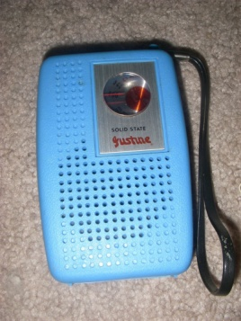
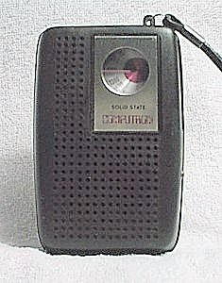
Advancer |  |  | Advancer On Ebay
Advanco |  |  | Advanco On Ebay
Aisbo | PCV-2a
Aliza
Almar | W600
AM Radio
Amisonic
Ampetco | MX-1000
Arrow | 2601
Astrasonic | E164
Atlantic | Super 6
AVIV
Barkleigh | W600
B/E
Best Ever | 10
Browni
Bruberry
Cabbage Patch Kids
Caprice | ST-716
Care Bears
Carina | W951P
Carlton
Centuaur
Century
Comet | 642
Computron | 2601 | 510
Concept 2000
Conic International | S102
Cosmosonic
C-Tone
Diel
Direction | 342
DYN | DS-007
Electro brand
Electrowave
Elftone | PN-1
Elgin
EVA
Fairmont
Falina
Federal | 642
FLIGHT
Four Star | FS-705
Futura
Genesonic
Glidertone
Harvard | M-100
Hisonic
Hobby
Holiday
Hollywood Park
Hong Kong
HY LYTE | E164
IMPAC
International
ITI
Jackson | 600
Jamar | 1000 | 770
Justine
Kmart | W600
Lafayette
Life Tone | 2601
Mantone
Markson's 7
MERC-RADIO
Musonic
Nentone
Nobility | U4/600/K26/768
Northamerican
Olympia | AS300
Parlax
Pelican
Petrasonic
Play-Mate
Precor | 415 |  |  | Precore On Ebay
Prominet
Renown
Rexina
Rhapsody | RY-657
Rosenic
Royaltone
Rover
Samika
Satellite
Seiko
Sergeant
SEARS | 2240
Seville | 1201P
Signet |  | Stock No. G018H
Solar | 102A
Solid State AM Radio
Sonya
Sporty
SoundWave
S S P | TR-510
Stardust | 720
Stellarsonic
Stewart | K-600 | 606 De Luxe Solid State Radio | W-600
St. Mortz | 500
Strauss
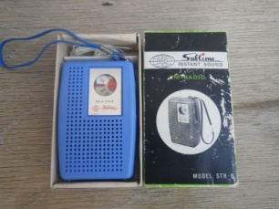
Sublime | STR-9
Super Tone | ST-716
Supreme
Sweet Sound | 900
Taiyo
Tonex | 7-TX
Tempest | 0.007
TG&Y
Thornton
Touchline | M-117
Trau
Unic | R-8
Unisonic
Vanica
Vantone
Vasco
Victor
Victory
Viking
Vision
Walton
Westminster
Windsor
Yoko

